Bugs Screenshot
Project Name | Hello Growth CRM
Application | Hello Growth CRM Android App
Reference Document | Application Under Test
Created By | Md Sabi Amaan
Creation Date | 20-Jun-26
App Version | Version 1
Platform | Android
Android Version | Android 10
Device | realme5 & Redmi 8A Dual

BUG_ID |  | SCREENSHOT 1 | SCREENSHOT 2 | SCREENSHOT 3 | SCREENSHOT 4
BUG_001 |  | 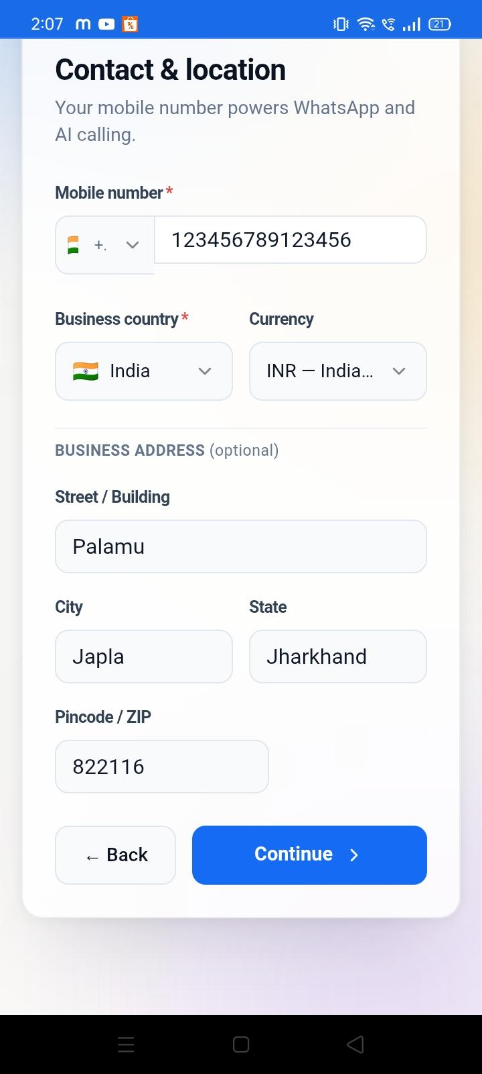 | 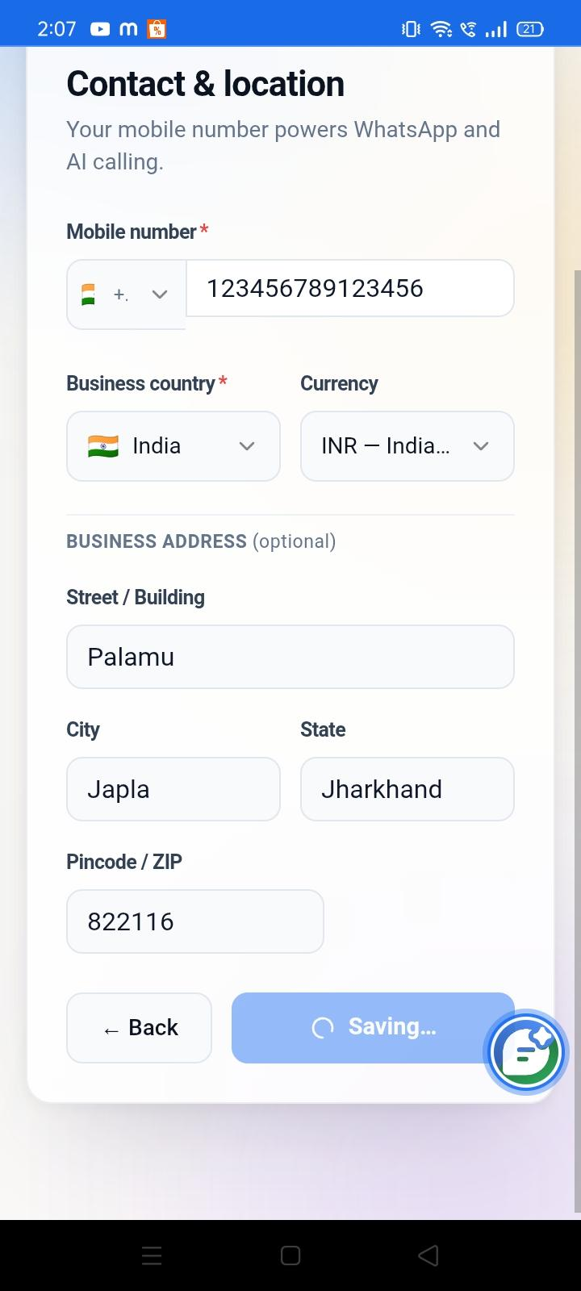 | 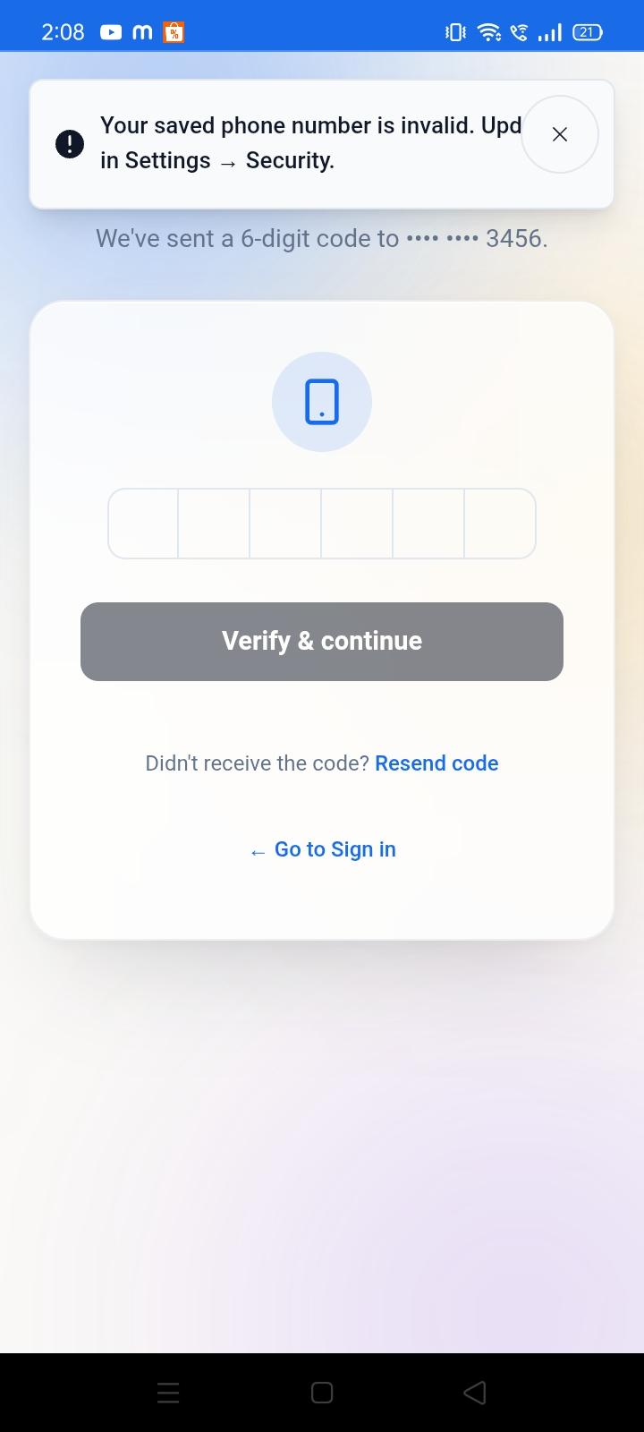

BUG_002 |  | 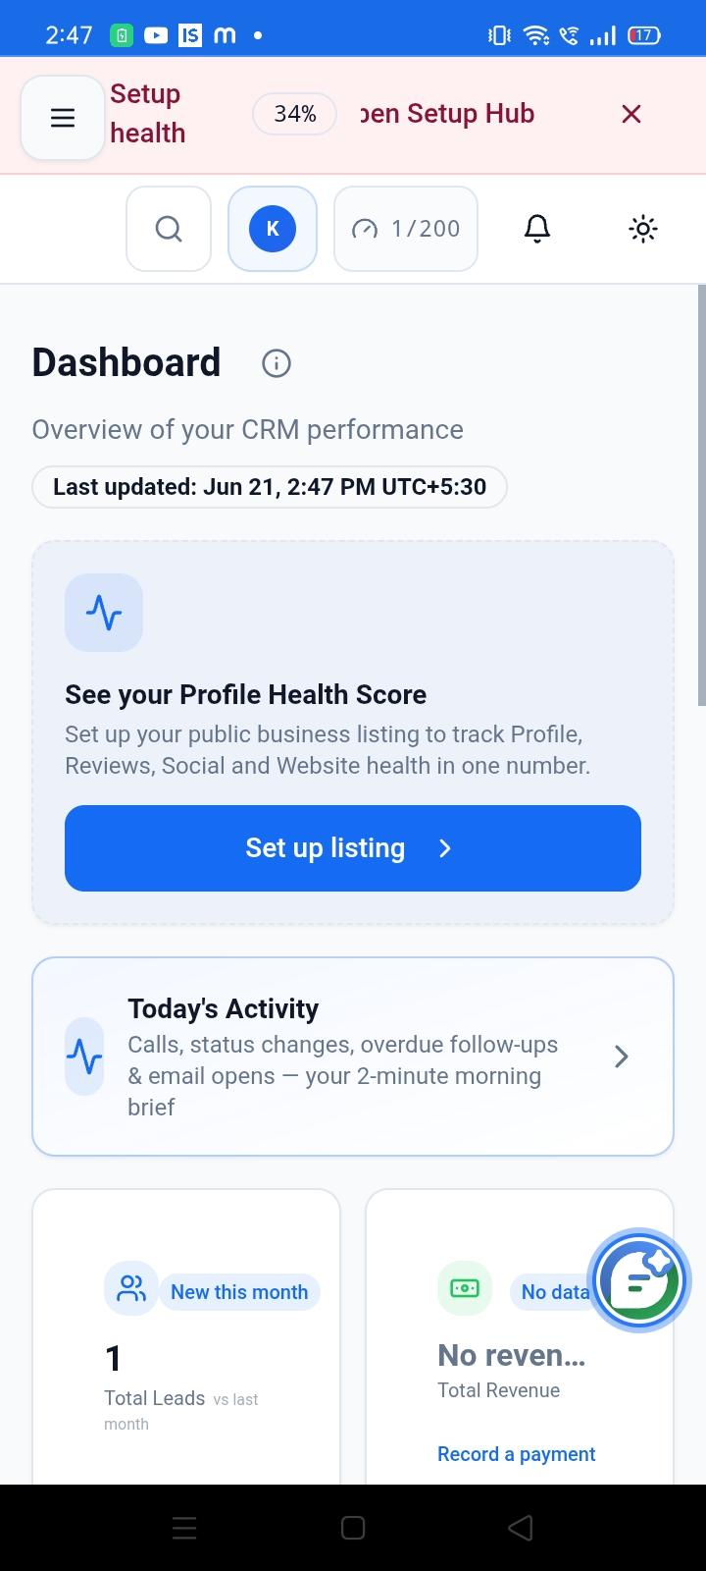 | 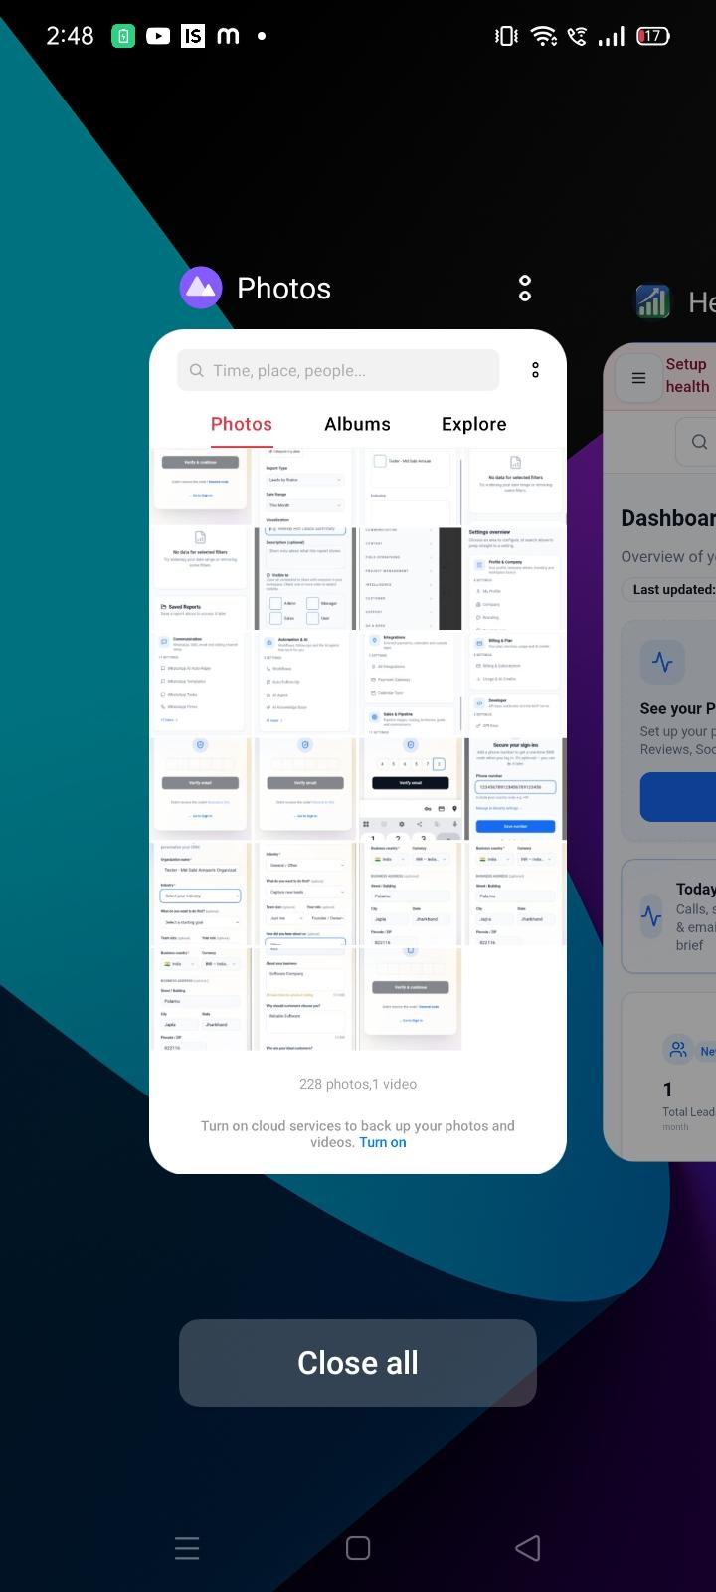 | 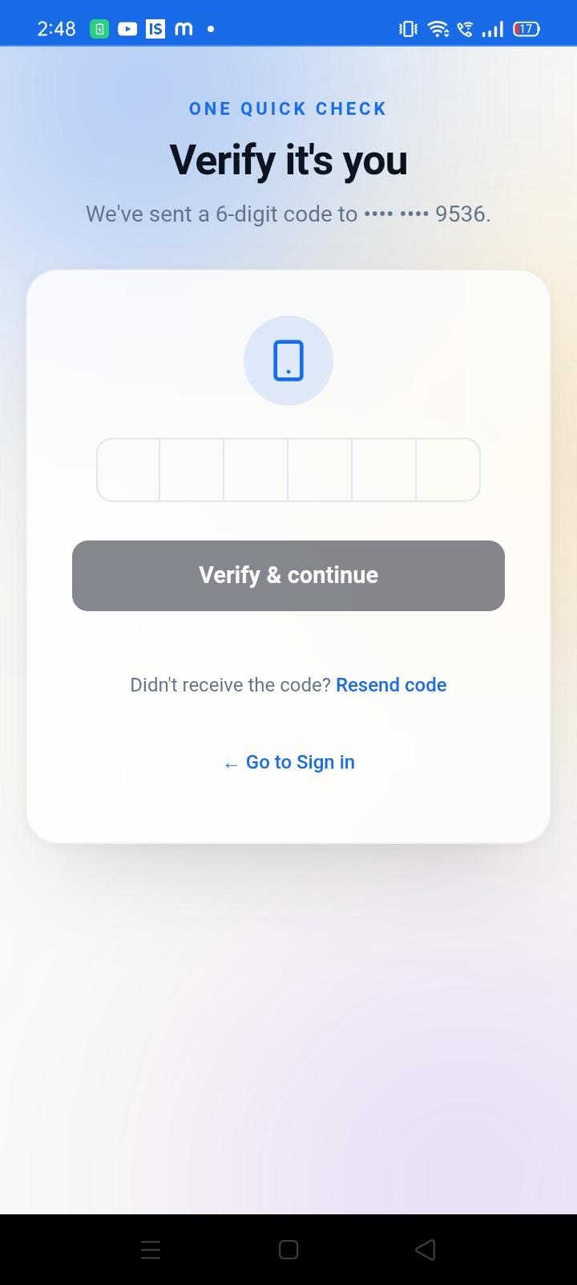
BUG_003 |  | 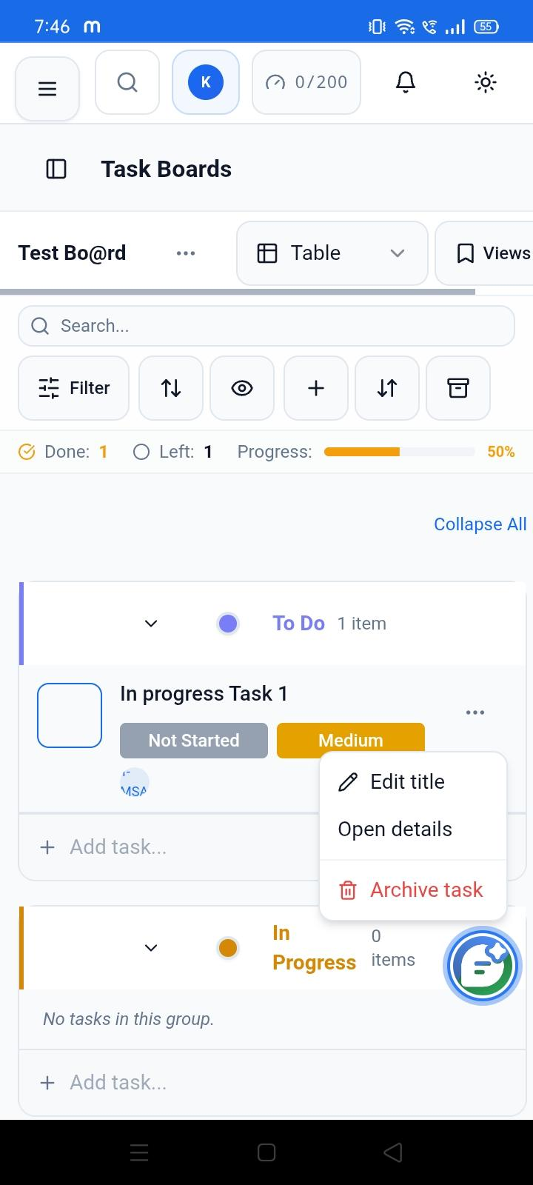 | 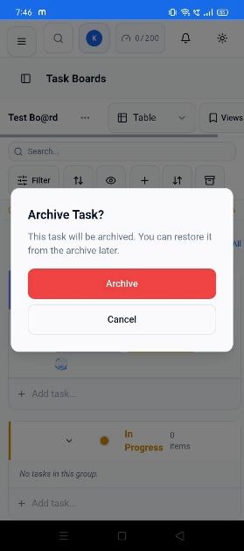 | 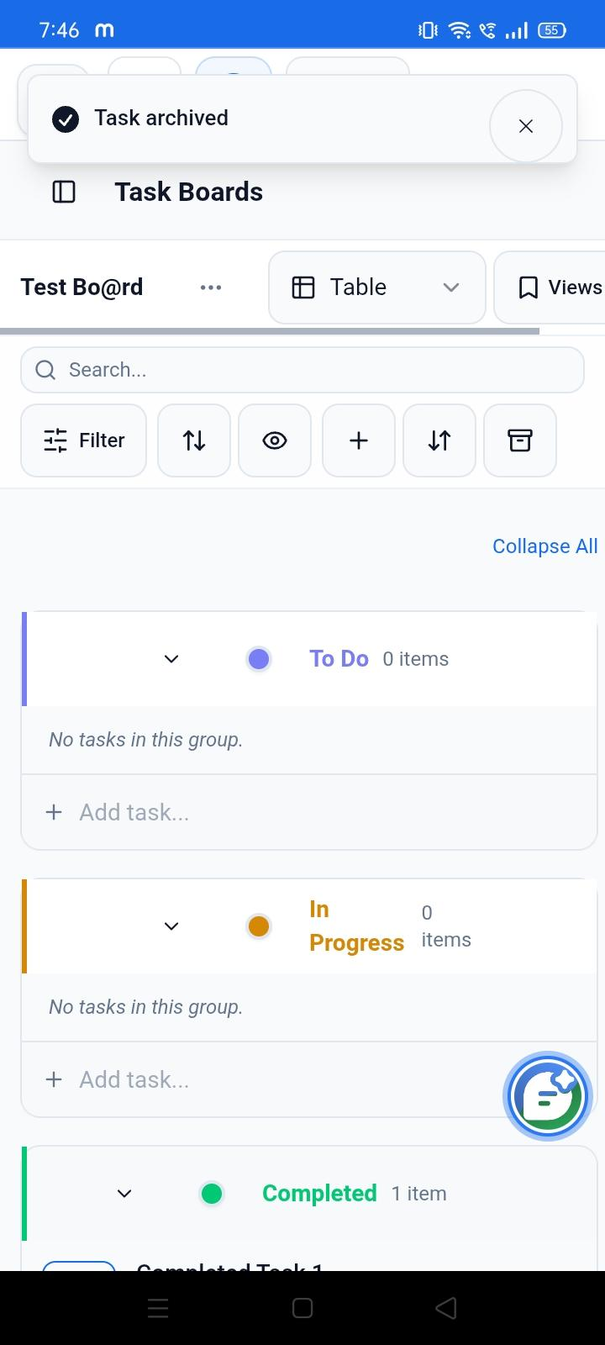 | 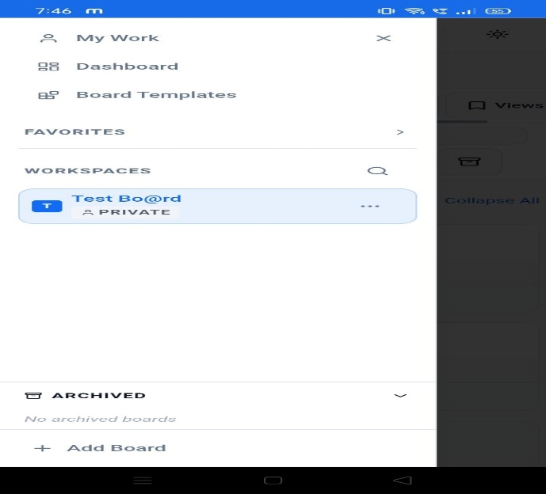
BUG_004 |  | 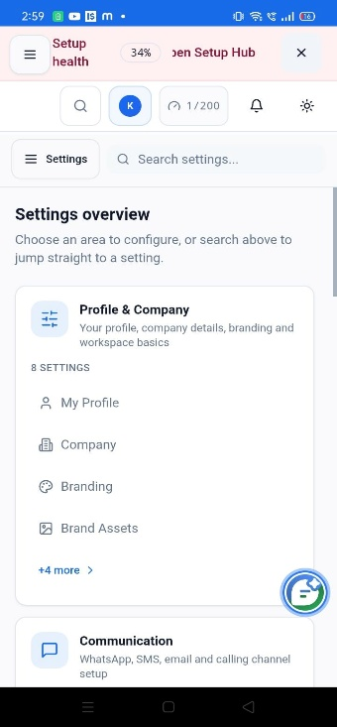
BUG_005 |  | 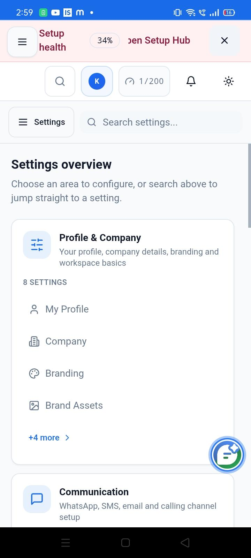 | 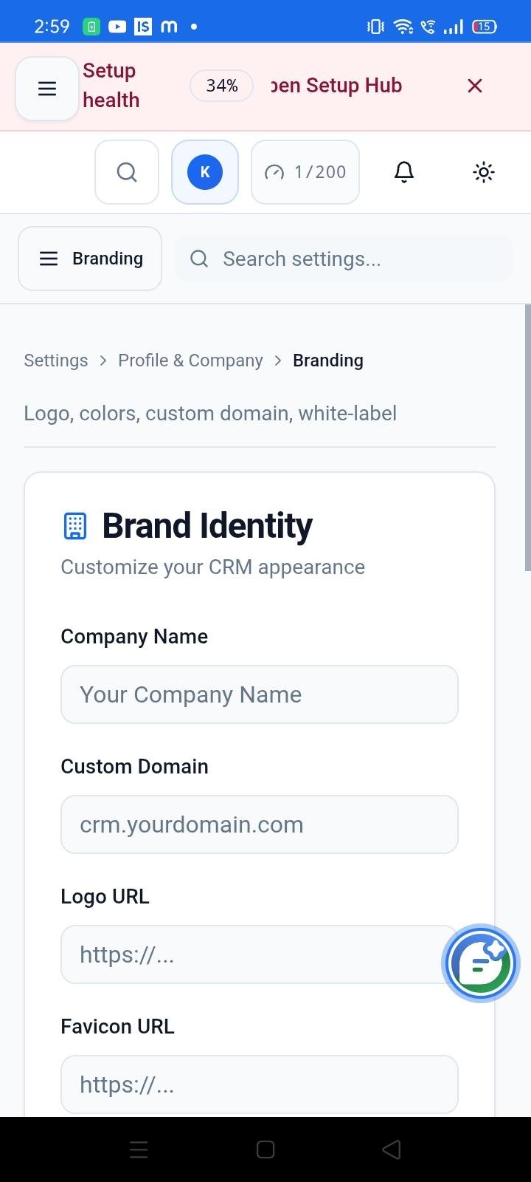 | 